Sheet1
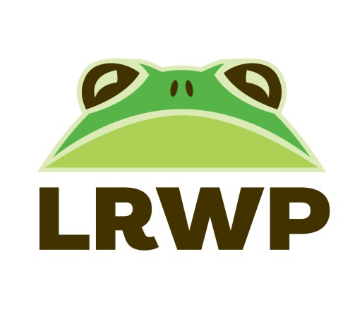
Volunteer Time Sheet
Due October 1, 2024
Name:

 | A | B | C | D | E | F
Date | Stewardship | Community Science | Education & Outreach | Office | Large Events | Board | Totals

TOTALS | 0 | 0 | 0 | 0 | 0 | 0 | 0
A. Stewardship: Preserve Steward, Trail Steward, Trash Pick Up, Weed Wrangles, Volunbeering, etc.
B. Community Science: Crane Count, iNaturalist, Monarchs, Nest Watch, Riverwatch, Bat Research, Turtle Research, etc.
C. Education & Outreach: Trail Guide, Photographer, Tabling at Events, etc.
D. Office: Office Support
E. Large Events: Earth Day Fort Wayne, Monarch Festival, Urban Turtle Festival

